2730
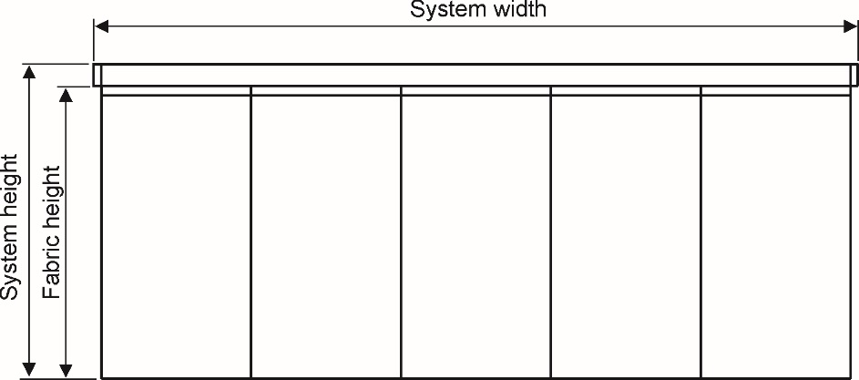
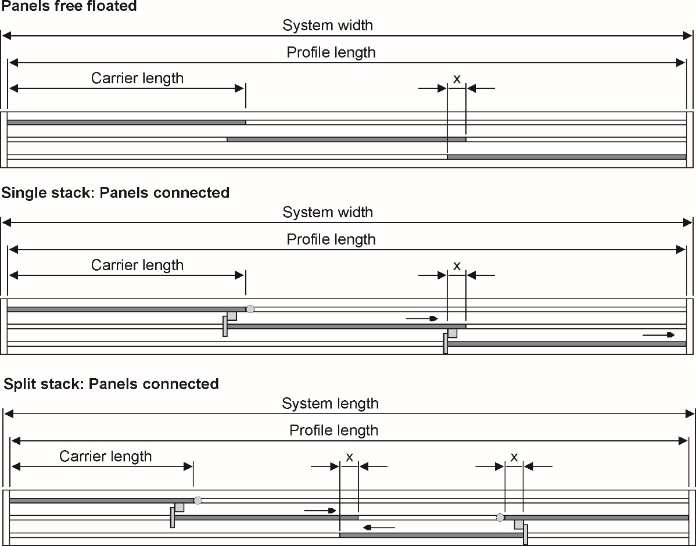
Silent Gliss 2730 |  | Rev 1 / November 09 | Customer: | Sample calculation (No deductions calculated)
Calculation Chart |  |  | Fabric type: | -
System Parameter:
System width | 250.0 | cm
System height | 230.0 | cm
Number of panels | 3 | Panels
Number of channels | 3 | -
Stacking | - | -
Stack side | free floating | -
Profile colour | RAL 9010 | -
Fitting | ceiling | -
System Calculation "Free floating":
Profile length | 249.2 | cm
Fabric height (incl. fabric carrier) | 226.5 | cm
Carrier length/Fabric width | 91.00 | cm
Overlapping X | 12.5 | cm
System Calculation "Connected":
Profile length | 249.2 | cm
Fabric height (incl. fabric carrier) | 226.5 | cm
Carrier length/Fabric width | 91.00 | cm
Overlapping X | 12.5 | cm

